Instructions for UM 1604
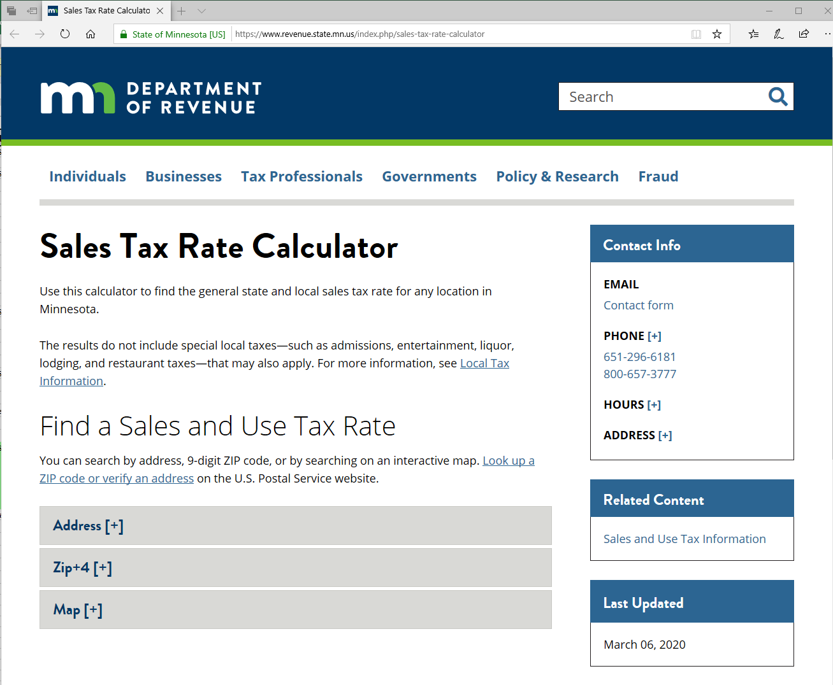
UM 1604 Purpose and Overview:
Departments that have an average monthly sales tax activity of less than $100 may elect the option to have Accounting Services file your annual sales tax return with the State of Minnesota Department of Revenue.
If your department meets this criteria and elects Accounting Services to file your annual sales tax return, Policy Form UM 1604 must be completed. This form provides Accounting Services with transaction detail that is required to successfully file and pay appropriate sales tax to the State of Minnesota Department of Revenue.

Instructions to Complete UM 1604:
Step #1 - Populate the Header of the Form in Rows 4 through 8. Cells for Inputs are Rose Colored.
 | Header Input | Directions: | Information to enter when applicable:
 | Calendar Year Description | Select from drop down choice. | Select the applicable calendar year from the drop down box.
 | Reporting Period | Select from drop down choice. | Select the applicable reporting period from the drop down box.
 | DeptID Number | Select from drop down choice. | Select the applicable DeptID from the drop down box.
 | Department Name | Nothing to enter. | Formula driven to populate based on the DeptID chosen.
 | Preparer | Enter information: | Enter the staff person's name completing the form.
 | Email | Enter information: | Enter the staff person's email address that is completing the form.

Step #2 - Enter in the Appropriate Information as Indicated Starting in Row 13. Cells for Inputs are Rose Colored.
Column | Column Description | Directions: | Information to enter when applicable:
A | Line # | Nothing to enter. | Line auto-numbered to account for a particular transaction.
B | Transaction Date | Enter information: | Shipping date or date of sale.
C | Item Sold | Enter information: | Item that was sold to customer.
D | Address | Enter information: | Enter street address of location / ship to.
E | City | Enter information: | Enter city of location / ship to.
F | State | Nothing to enter. | State of Minnesota two digit abbreviation (MN) of location / ship to.
G | Zip Code | Enter information: | Enter first five digits of zip code of location / ship to.
H | Zip Code + 4 | Enter information: | Enter last four digits of extended zip code. These digits proceed the first five digits of the basic zip code.
I | Look up Sales Tax Rate | Enter information: | Follow additional instructions and enter total sales tax rate as provided by the State of Minnesota Department of Revenue website:

 | To verify complete address and zip code of a sale or purchase, use the State of Minnesota Department of Revenue website:
 | https://www.revenue.state.mn.us/index.php/sales-tax-rate-calculator
 | Use the following options on the website to validate both address and zip code in order to arrive at the correct rate to calculate total sales tax for each taxable sales transaction:
 | Address and zip code: | Click on hyperlink "Zip code or verify an address". You will use this information on the previous State of Minnesota Department of Revenue website.
 | Sales tax rate: | Under "Find a Sales and Use Tax Rate" section, click on the options "Address [+]", "Zip+4 [+]", or "Map [+]" to determine the tax rate.

J | Total Sale | Enter information: | Input total sale amount.
K | Does The Total Sale (Column J) Include Sales Tax or Exclude Sales Tax (where it needs to be added to the Total Sale amount)? | Select from drop down choice: "Include" or "Exclude" | Select "Include" if the total sale includes sales tax; Select "Exclude" if the total sale does not include sales tax.
L | Calculated Sales Tax | Nothing to enter. | Formula will calculate sales tax for each sales transaction.
M | Taxable Sale | Nothing to enter. | Formula will calculate taxable sale amount for each sales transaction.
N | Transaction Journal ID | Enter information: | Provide the Journal ID for the sales tax transaction posted to the General Ledger. Entry should have been processed through the Accounts Receivable Module.
O | Fund | Enter ChartField: | Enter the EFS Fund number that was used on the sales transaction when it posted to the General Ledger.
P | DeptID | Enter ChartField: | Enter the EFS DeptID number that was used on the sales transaction when it posted to the General Ledger.
Q | Program Code | Enter ChartField: | Enter the EFS Program Code that was used on the sales transaction when it posted to the General Ledger.
R | CF1 | Enter ChartField: | Enter the CF1 that was used (if applicable) on the sales transaction when it posted to the General Ledger.
S | CF2 | Enter ChartField: | Enter the CF2 that was used (if applicable) on the sales transaction when it posted to the General Ledger.
T | FinEmplID | Enter ChartField: | Enter the FinEmplID that was used (if applicable) on the sales transaction when it posted to the General Ledger.
U | Account | Enter ChartField: | Enter the Account that was used (if applicable) on the sales transaction when it posted to the General Ledger.
V | Sales Tax General Ledger Account Balance | Enter information: | Input General Ledger balance for sales tax that was posted to account 200153 for the particular sales transaction.
W | Calculated Sales Tax (Column L) - Sales Tax General Ledger Account Balance (Column V) | Nothing to enter. | Formula will calculate a difference. If there is a difference, this indicates a General Ledger Journal Entry will be required to correct the difference.
 |  |  | A General Ledger Journal Entry will result in recording the difference between a ChartField string with a revenue account and balance sheet account 200153.
 |  |  | Possible reasons:
 |  |  | - The incorrect rate was used when the transaction posted to the General Ledger.
 |  |  | - The calculated sales tax on your schedule (column L) is correct. As a result, the General Ledger is incorrect and requires a journal entry adjustment.
 |  |  | - Miscellaneous rounding.

Step #3 - Obtain the General Ledger Balance in Account 200153:
a) Following the print screen and additional directions starting in Row 49, populate the appropriate inputs in the EFS General Ledger inquiry screen for your department's ChartField string(s).
b) Using the balance that the General Ledger indicates, populate this balance amount in Cell V43.
c) There should be a $0 difference between the General Ledger and what you inputted into, Column V, Sales Tax General Ledger Account Balance.
Any difference:
- Re-check your work in Column V and adjust this column as required and necessary. OR
- Determine if your sales tax transactions were appropriately recorded to Account 200153. Any corrections to this balance will require a Journal Entry to be recorded in the General Ledger.

Step #4 - Record General Ledger Journal Entry Based on Column W:
Any differences identified in Column W will require a General Ledger Journal Entry to be recorded.

Step #5 - Submit Completed Form to controller@umn.edu

UM 1604
University of Minnesota
Central Sales Tax Reporting

 | Central Return Tax ID: |  | 8029894 |  |  | Calendar Year: |  |  |  |  |  | Reporting Period: |  |  |  |  |  |  |  |  | U Wide Form:
 |  |  |  |  |  |  |  |  |  |  |  |  |  |  |  |  |  |  |  |  | UM 1604
 | DeptID Number: |  |  |  |  | Department Name:
 |  |  |  |  |  |  |  |  |  |  |  |  |  |  |  |  |  |  |  |  | Route This Form To:
 | Preparer: |  |  |  |  | Email: |  |  |  |  |  |  |  |  |  |  |  |  |  |  | controller@umn.edu

 |  |  | Location and/or ship to address:
Line # | Transaction Date | Item Sold | Address | City | State | Zip Code | Zip Code + 4 | Look up Sales Tax Rate | Total Sale | Does The Total Sale (Column J) Include Sales Tax or Exclude Sales Tax (where it needs to be added to the Total Sale amount)? | Calculated Sales Tax | Taxable Sale | Transaction Journal ID | Fund | Dept ID | Program Code | CF1 | CF2 | FinEmplID | Account | Sales Tax General Ledger Account Balance | Calculated Sales Tax (Column L) - Sales Tax General Ledger Account Balance (Column V)
Example | 2020-03-05 | Laptop | 2017 Buford Ave | St Paul | MN | 55108 | 6180 | 7.375% | $500.00 | Include | $34.34 | $465.66 |  |  |  |  |  |  |  |  | $36.89 | $(2.55)

1 |  |  |  |  | MN |  |  | 0.000% |  |  | $- | $- |  |  |  |  |  |  |  |  | $- | $-
2 |  |  |  |  | MN |  |  | 0.000% |  |  | $- | $- |  |  |  |  |  |  |  |  | $- | $-
3 |  |  |  |  | MN |  |  | 0.000% |  |  | $- | $- |  |  |  |  |  |  |  |  | $- | $-
4 |  |  |  |  | MN |  |  | 0.000% |  |  | $- | $- |  |  |  |  |  |  |  |  | $- | $-
5 |  |  |  |  | MN |  |  | 0.000% |  |  | $- | $- |  |  |  |  |  |  |  |  | $- | $-
6 |  |  |  |  | MN |  |  | 0.000% |  |  | $- | $- |  |  |  |  |  |  |  |  | $- | $-
7 |  |  |  |  | MN |  |  | 0.000% |  |  | $- | $- |  |  |  |  |  |  |  |  | $- | $-
8 |  |  |  |  | MN |  |  | 0.000% |  |  | $- | $- |  |  |  |  |  |  |  |  | $- | $-
9 |  |  |  |  | MN |  |  | 0.000% |  |  | $- | $- |  |  |  |  |  |  |  |  | $- | $-
10 |  |  |  |  | MN |  |  | 0.000% |  |  | $- | $- |  |  |  |  |  |  |  |  | $- | $-
11 |  |  |  |  | MN |  |  | 0.000% |  |  | $- | $- |  |  |  |  |  |  |  |  | $- | $-
12 |  |  |  |  | MN |  |  | 0.000% |  |  | $- | $- |  |  |  |  |  |  |  |  | $- | $-
13 |  |  |  |  | MN |  |  | 0.000% |  |  | $- | $- |  |  |  |  |  |  |  |  | $- | $-
14 |  |  |  |  | MN |  |  | 0.000% |  |  | $- | $- |  |  |  |  |  |  |  |  | $- | $-
15 |  |  |  |  | MN |  |  | 0.000% |  |  | $- | $- |  |  |  |  |  |  |  |  | $- | $-
16 |  |  |  |  | MN |  |  | 0.000% |  |  | $- | $- |  |  |  |  |  |  |  |  | $- | $-
17 |  |  |  |  | MN |  |  | 0.000% |  |  | $- | $- |  |  |  |  |  |  |  |  | $- | $-
18 |  |  |  |  | MN |  |  | 0.000% |  |  | $- | $- |  |  |  |  |  |  |  |  | $- | $-
19 |  |  |  |  | MN |  |  | 0.000% |  |  | $- | $- |  |  |  |  |  |  |  |  | $- | $-
20 |  |  |  |  | MN |  |  | 0.000% |  |  | $- | $- |  |  |  |  |  |  |  |  | $- | $-
21 |  |  |  |  | MN |  |  | 0.000% |  |  | $- | $- |  |  |  |  |  |  |  |  | $- | $-
22 |  |  |  |  | MN |  |  | 0.000% |  |  | $- | $- |  |  |  |  |  |  |  |  | $- | $-
23 |  |  |  |  | MN |  |  | 0.000% |  |  | $- | $- |  |  |  |  |  |  |  |  | $- | $-
24 |  |  |  |  | MN |  |  | 0.000% |  |  | $- | $- |  |  |  |  |  |  |  |  | $- | $-
25 |  |  |  |  | MN |  |  | 0.000% |  |  | $- | $- |  |  |  |  |  |  |  |  | $- | $-

 |  |  |  |  |  |  |  |  |  |  |  |  |  |  |  |  |  |  | Total |  | $-

 |  |  |  |  |  |  |  |  |  |  |  |  |  |  |  |  |  |  | Balance in EFS |  | $- | Instructions - see below
 |  |  |  |  |  |  |  |  |  |  |  |  |  |  |  |  |  |  | Difference |  | $- | Value must be $0

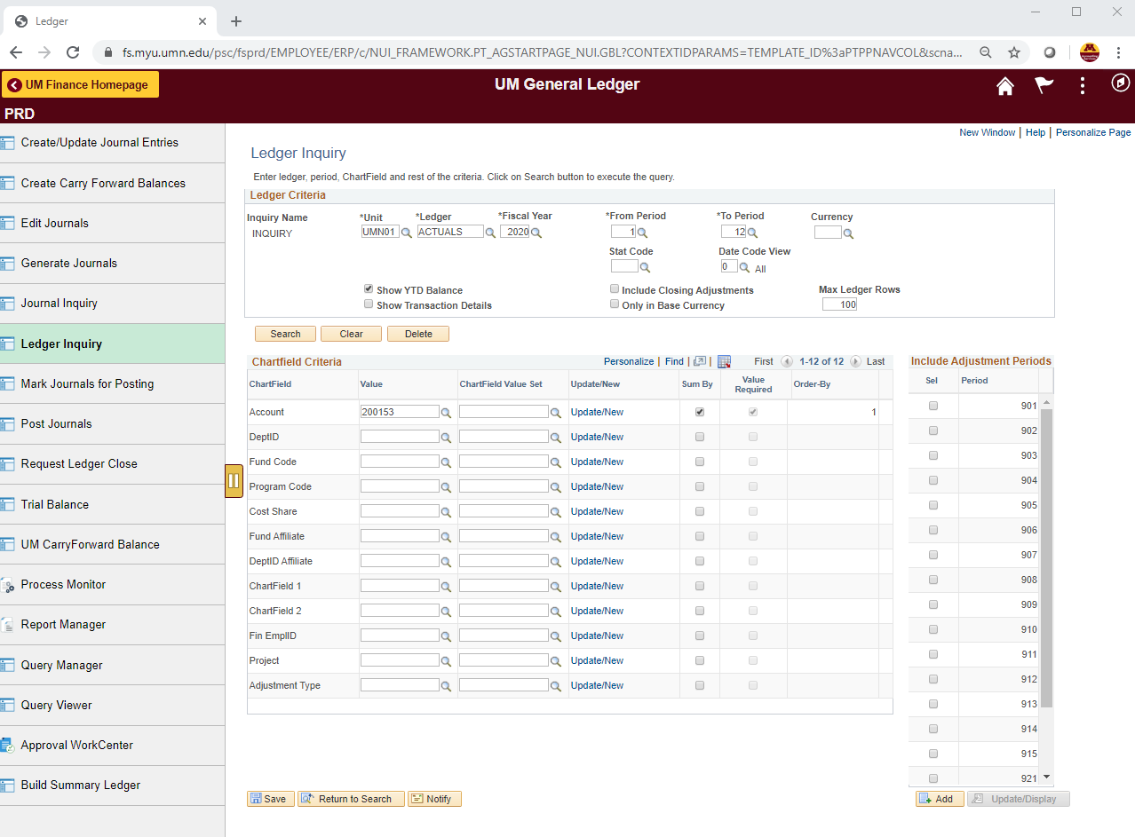

Directions:
- Input the applicable "Fiscal Year" & "From Period" and "To Period"
- Input CF String values
- Click "Save"
- Click "Search"
The arrows provide a point of reference.

